Description
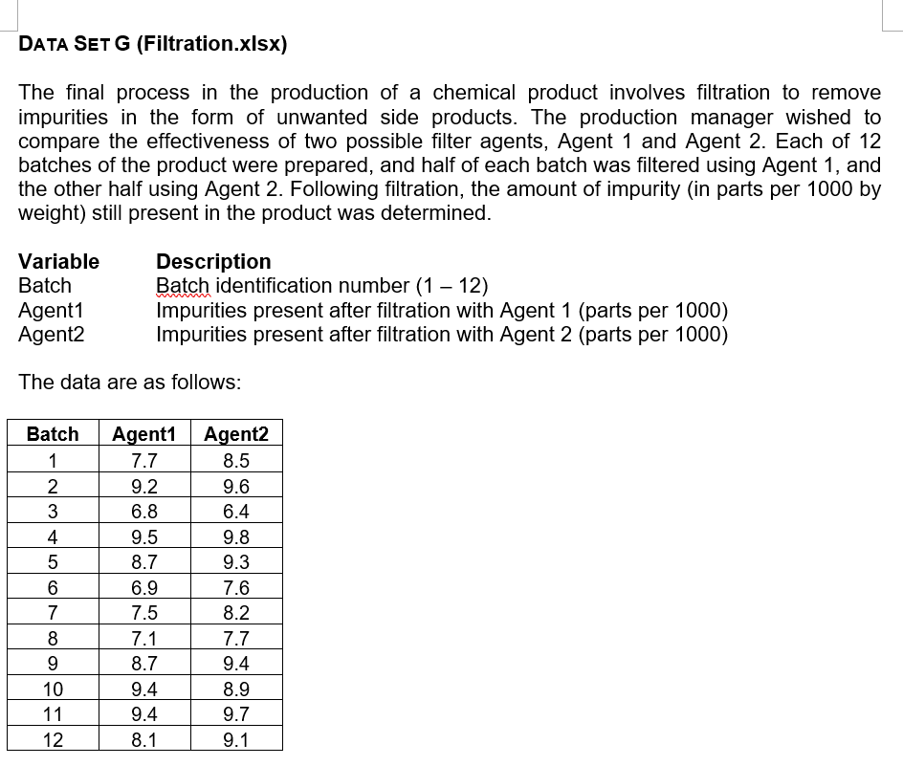

There is no Filtration.xlsx in unit 7 and 8 list. Why duplicates of some and not others?

